week1
Computer Science 2 Project | Team Members: | Zian Relon
Group Progress Report |  | Caiden Alava
3rd Quarter

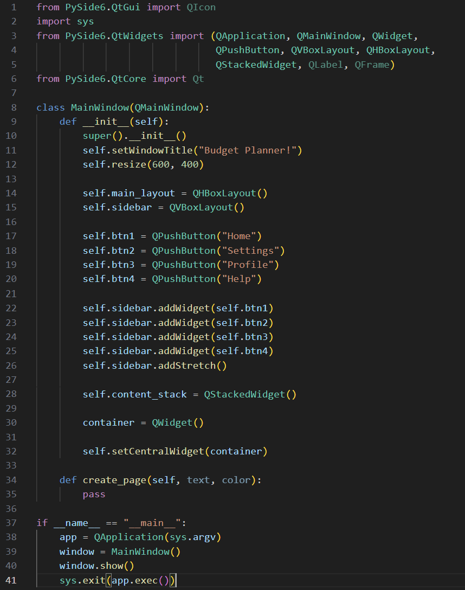
Week 3 - Jan 30, 2026
GOAL State your goal for the Week | DATA COLLECTED State/list the data collected relevant to your project | PROGRESS State the progress you have made so far by the end of the week
Make the menu partially |  | Made the menu partially
master PySide6 library | NeuralNine. (2025, August 11).
 | . PySide6 crash course: GUI
 | development in Python with Qt6 [Video].
 | YouTube. https://www.youtube.com/
 | watch?v=9_NGCpM2r7s
STRENGTH
Decent Coding skills
Researching
Ability to work well with each other

AREAS FOR DEVELOPMENT
Coding skills

STRATEGY FOR SUCCESS
Practice coding
Time management
Communication
Research
Patience

